WFHC 001
 | -John WHITEHOUSE | -John WHITEHOUSE | -Fanny WHITEHOUSE
John | c. 15 Jan 1782 | (Tool Maker) | b. r. 3q. 1864 AS RD
WHITEHOUSE | B St Phil | b. 11 Oct 1812 B | d. r. 4q. 1935 B RD
(Silver Caster) |  | c. 02 Nov 1812 | m. 25 Aug 1887
b. 1751-52 [1] | -Isaac WHITEHOUSE | B St Phil | AS St P & P | Issue
i. 28 Nov 1819 | c. 11 Aug 1783 | d. 17 Jun 1877 AS | William Augustus
ae 67 | B St Phil | m. 11 Oct 1862 w1 | Pratt BLACKMORE
AS St P & P | d. 08 Jul 1844 | Erdington St Bbs | (Tailor) | -Charles Henry
m. 27 Feb 1781 | i. 12 Jul 1844 | Phoebe STOKES | b. r. 4q. 1860 TA RD | WHITEHOUSE
AS St P & P [2] | AS St P & P | b. 1841 B | d. r. 4q. 1927 | b. 1892-93 AS
Sarah |  | (r. 3q. 1841 B RD ?) | B Nth RD | (r. 1q. 1893 AS RD ?)
WINSTANLEY |  | d. r. 1q. 1928 ae 86
b. 1758-59 | -Sarah | WB RD |  | -John WHITEHOUSE
d. 31 Jul 1842 | WHITEHOUSE | (Phoebe re-married: | -Charles WHITEHOUSE | (Master Mariner)
ae 83yr 3m B | (Provision Dealer) | m. w2 31 May 1879 | (3rd Officer in Merch- | b. r. 4q. 1894
(at Steward St) | c. 17 Apr 1786 | AS St P & P | ant Navy, 1901 cs) | Toxteth Park L RD
 | B St Phil | Arthur William | b. r. 2q. 1866 AS RD
KEY | d. 19 Jun 1843 | BLENCOWE) | d. 11 Nov 1917 at Sea | -Eric WHITEHOUSE
Events | i. 23 Jun 1843 |  | m. 06 Feb 1892 | b. r. 2q. 1899
ae aged | AS St P & P |  | AS St P & P | W Derby L RD
b. born |  |  | Margaret Alice
c. baptised |  |  | NICHOLAS | -Hilda WHITEHOUSE
Crem. | -William |  | b. 1869 Brimstage CHS | b. r. 4q. 1902
Crematorium | WHITEHOUSE |  | (r. 2q. 1869 Wirral RD) | W Derby L RD
cs census | c. 10 Jan 1788 |  | d. 08 Dec 1958
d. died | B St Phil |  | Crosby LAN | -Dorothy Mabel
h1, h2 husband's | i. 17 Oct 1791 |  |  | WHITEHOUSE
1st, 2nd marriage | AS St P & P |  |  | b. 1910 L
i. buried |  |  |  | (r. 1q. 1910
m. married |  |  |  | W Derby L RD)
NA Non-Anglican
r. registered |  |  |  | -one other d. before
p. partnered |  | -Sarah Ann |  | 1911 cs ? [17]
q. quarter of year |  | WHITEHOUSE
R Register |  | b. 14 Jan 1817 |  | -Mabel Annie
RD Registration |  | c. 07 Aug 1817 |  | WHITEHOUSE
District |  | B St Phil | -John WHITEHOUSE | b. 16 Sep 1892 AS
Res Residence |  | i. 02 Oct 1817 ae 8m | (Jeweller) | d. after 1939 R
RO Register |  | B St Mary | b. r. 3q. 1867 AS RD | m. r. 3q. 1930 SA RD
Office |  |  | d. after 1911 cs | Thomas George
Underlining |  |  | m. 09 Oct 1891 | JOHNSON
denotes name |  |  | AS St P & P | (Ret'd Postman, 1939 R)
by which |  |  | Annie Louisa | b. 04 Aug 1873 SA
usually known |  |  | LAVENDER | d.
w1, w2 wife's |  |  | b. r. 4q. 1867 AS RD
1st, 2nd marriage |  |  | d. r. 2q. 1954 B RD | -John Vincent
 |  |  |  | WHITEHOUSE
Places A-P |  |  |  | (Jeweller & Clock
AS Aston |  |  |  | Maker, 1939 R)
B Birmingham |  |  |  | b. 31 Jan 1896 HW
BH Bournemouth |  |  |  | d.
BS Bristol |  |  | -Mabel WHITEHOUSE | m. r. 3q. 1921 CF RD
CF Cardiff |  |  | b. r. 4q. 1868 AS RD | Lily JONES
CHS Cheshire |  |  | d. r. 2q. 1886 ae 17 | b. 10 Nov 1899
DH Durham |  |  | AS RD | d. after 1939 R
HB Harborne
HW Handsworth |  |  |  | -Hilda Beatrice
L Liverpool |  |  |  | WHITEHOUSE
LAN Lancashire |  |  |  | b. 28 Jun 1904 BH
LF Lichfield |  |  |  | d. after 1939 R
LND London |  |  |  | m. r. 1q. 1934 SA RD
MI Michigan |  |  | -Phoebe WHITEHOUSE | [18]
ON Ontario |  |  | b. 30 Dec 1870 AS | Peter H JONES
OX Oxfird |  |  | d. r. 2q. 1954 B RD | (Rat Searcher for
OXF Oxfordshire |  |  | m. 1892 AS RO or NA | Swansea Port
PK Penkridge |  |  | (r. 3q. 1892 AS RD) | Authority, 1939 R)
 |  |  | Oliver William | b. 05 May 1902
Places S-Z |  |  | PATTERSON | d.
follow on the |  |  | (Commercial
next page. |  |  | Traveller, Coach | Issue
 |  |  | & Motor Body Fittings)
 |  |  | b. r. 2q. 1867 AS RD
 |  |  | d. r. 4q. 1927 ae 60
 |  |  | WB RD

Places S-Z
S Sheffield |  |  | -Eliza Ann aka Elizabeth
SA Swansea |  |  | Ann WHITEHOUSE
SAL Shropshire |  |  | b. 24 Aug 1873 AS
SC Sutton |  |  | d. r. 1q. 1958 ae 84
Coldfield |  |  | B RD
SFK Suffolk |  |  | m. 1898 AS RO or NA
STS Staffordshire |  |  | (r. 2q. 1898 AS RD) | Issue
TA Taunton |  |  | Harry TURNPENNY
WB West |  |  | (Jeweller's Gem
Bromwich |  |  | Setter, 1911 cs; Chief
WK Warwick |  |  | Foreman for Electrical
WOR Worcs |  |  | Switch Maker, 1939 R)
WV Wolver- |  |  | b.30 Jul 1873 AS
hampton |  |  | d. r. 4q. 1952 ae 78
 |  |  | B RD
 |  | -William WHITEHOUSE
Notes |  | (Gun Tool Maker;
General. This |  | Machinist per death | -Kate Elizabeth
chart is based on |  | registration) | WHITEHOUSE
the standard of |  | b. 20 Dec 1818 | b. 07 Apr 1864 AS
reasonable |  | c. 18 Jan 1819 | d. 13 Jul 1933
probability. |  | B St Phil | Tyendinaga, Hastings
 |  | d. 20 Oct 1890 | Co ON
1. Perhaps John |  | Belleville, Hastings
WHITEHOUSE | -Elizabeth | Co ON | -Minnie WHITEHOUSE
was | WHITEHOUSE | m. 11 Jan 1842 B | (School Teacher)
c. 24 Apr 1752 | c. 26 Oct 1789 | Indep. Carrs Lane | c. 11 Dec 1866
AS St P & P to | B St Phil | Maria WILLIAMS | AS St P & P
Isaac & Ann, as | d. r. 3q. 1865 ae 75 | (a cousin [9]) | (r. 1q. 1867 AS RD)
part of a family | AS RD ? | b. 1810 | d. after 1932
c. 1747 to 1766 | m. 20 Oct 1817 | d. 24 Mar 1862 | m. 16 Feb 1898
AS St P & P. | Islington MDX | oooooooooooooooo | Belleville, Hastings
This would | St Mary ? [3] | m. 15 Jan 1863 h2 | Co ON
account for use | William PERRY | B St Mtn | Joseph CHISHOLM
of the name | (Builder) | Anne Maria PERRY | (Miller)
Isaac in three | b. 1789-90 | (another cousin) [10] | b. 1859-60
subsequent | Melford SFK | c. 14 Aug 1836 | d.
generations. | d. after 1851 cs | Clare St P & P
However, this is |  | d. 03 Jan 1884 | -Stella WHITEHOUSE
not the only |  | Belleville, Hastings | b. 1868-69 MI [14]
possible baptism | -Charles | Co ON
for John | WHITEHOUSE
WHITEHOUSE. | (Tool Maker) | -Isaac WHITEHOUSE | -Ann Maria | -Richard Earnest
 |  | (Tool Maker) | WHITEHOUSE | LANGFORD
2. Wit. Edmund |  | b. 27 Nov 1821 B | (Emigrated to Albany, | b. 16 Mar 1863 B
WHITEHOUSE & |  | c. 24 Dec 1821 | New York)
a frequent |  | B St Phil | b. 02 Dec 1840 B
witness. |  | d. 06 Oct 1846 | (13 Ct Brearley St) | -Edith LANGFORD
 |  | ae 24 B [11] | d. | b. r. 1q. 1864 B RD
3. Wit. |  | m. 15 Dec 1839 w1 | m. 18 Aug 1862 | d.
Samuel & Mary |  | HB St Ptr [12] | Ebenezer Chapel B | m. | Issue
WILKINSON. |  | Emma JUKES | Richard LANGFORD | George ARMSTRONG
 | b. 04 Apr 1791 | c. 27 Dec 1818 B | (Printer) | (MP for Durban)
4. Wit. William | B St Phil | d. | b. 1840 B | b. about 1890
& Elizabeth | (Photo taken in | (Emma re-married: | c. 27 Dec 1840 | d.
MALPASS. | early 1850s ?) | m. 03 Nov 1851 w2 | B St John Deritend
 | d. 20 Apr 1862 B | B St Mtn | (to Richard | -Ina LANGFORD [16]
Notes are | i. 24 Apr 1862 | John William | LANGFORD, Chair
continued on | AS St P & P | HARVEY) | Maker, Bradford St
the next page. | m. 04 Aug 1811 |  | & Fanny)
 | B St Mtn [4]
 | Ann HEAPE
 | b. 26 Sep 1790
 | c. 07 Feb 1791
 | Weeford, Staffs
 | St Mary the Virgin
 | d. 04 Dec 1870 AS

 | FAMILY PHOTO
 | AT END

Notes (cont.) |  |  |  | -Edith Jessie
5. Per corresp. |  | -Ann WHITEHOUSE |  | WHITEHOUSE
182, Samuel's |  | b. 31 Jan 1823 |  | b. 31 Jul 1865 AS
regiment and |  | c. 20 Feb 1823 |  | d. 17 Feb 1866 AS
and dates were |  | B St Phil | -Isaac WHITEHOUSE
recorded in a |  | d. 24 Nov 1909 | (Foreman Machinist, | -Nellie WHITEHOUSE
family bible. He |  | m. 18 Jan 1864 | 1901 cs; Brass | b. 14 Oct 1866 AS
enlisted 23 Aug |  | B St Mtn | Foundry Machinist, | d.
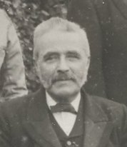
1816 in the 15th |  | William John PERRY | 1911 cs) | m. 06 Sep 1893 B RO
Hussars and |  | [13] Carpenter |  | (r. 3q. 1893 B RD) | Issue
was initially |  | b. 1839 Clare SFK |  | Alfred Edward BAILEY
stationed at |  | c. 01 Sep 1839 |  | (Die Sinker)
Nottingham, but |  | Clare St P & P |  | b.
spent much of his |  | d. |  | d.
time in Loughrea
Co. Galway, |  | -Sarah
Ireland; he died |  | WHITEHOUSE |  | -Eva Kate
after 2 days in a |  | b. 15 Nov 1824 |  | WHITEHOUSE
regimental |  | c. 25 Oct 1824 | b. 25 Jun 1842 B | b. 16 Dec 1868 AS
hospital. Per |  | B St Phil | (261 Upper Gough St) | d. 10 Feb 1896
correspondent |  |  | d. 30 May 1921 | m. 1895 B RO or NA
182, all his |  | -Henry | m. 25 Jun 1864 AS | (r. 3q. 1895 B RD)
records were |  | WHITEHOUSE | (r. 2q. 1864 AS RD) | Robert William
destroyed. | -Samuel | b. 23 Jan 1826 | Elizabeth PENDLETON | RAWSON
 | WHITEHOUSE [5] | c. 16 Feb 1826 | b. 06 Jun 1841 B | b.
6. Wit. | (Soldier) | B St Phil | d. 27 Dec 1926 | d.
Benjamin & Mary | c. 19 Aug 1794
POWERS. | B St Mtn | -Edwin
 | d. 28 Sep 1828 | WHITEHOUSE |  | -Gerty Fanny
7. Wit. Isaac & |  | c. 18 Jun 1827 |  | WHITEHOUSE
Sarah |  | B St Phil |  | (Sewing Machine
WHITEHOUSE. |  |  |  | Instructress)
 | -Ruth WHITEHOUSE | -George |  | b. 04 Nov 1870 AS
8. It has been | c. 28 Jul 1796 | WHITEHOUSE |  | d. 16 Nov 1947 B
proposed by | B St Mtn | c. 06 Nov 1828
corresp. 182 | d. r. 3q. 1875 | B St Phil |  | -Ernest Henry
that John & | ae 79 WK RD |  |  | WHITEHOUSE
Sarah had other | m. 27 Feb 1821 |  |  | (Proprietor of E H
children: | AS St P & P [6] | Issue |  | Whitehouse & Co.,
Ezekiel | Isaac DUGARD |  |  | Birmingham: Manu-
c. 28 Jul 1794 | (Refiner) |  |  | facturers of Electro-
B St Phil | b. 1791-92 WOR |  |  | plate Tableware;
 | d. r. 1q. 1874 ae 81 |  |  | Aircraft Manufacturer
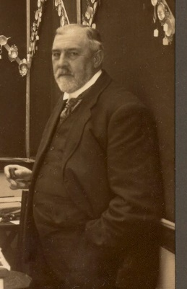
Henry | B RD |  |  | for War Office, 1939 R)
c. 09 Nov 1798 | -Mary Ann
B St Mtn | WHITEHOUSE
d. 1808 | c. 27 Dec 1799
 | B St Mtn
William | d. after 1863
b. 1798 d. 1802 | m. 26 Jul 1836 h2
(no baptism | AS St P & P [7] | Issue
found) | John Henry BAYLIS
 | (Pearl Button Maker)
Ann b. 1801 | b. 1796-1801
c. 04 Sep 1817 | d.
B St Phil
 | [8]
Jane Pugh |  |  |  | b. 10 Dec 1872 AS
b. 07 Jan 1807 |  |  |  | d. 12 Dec 1948 HW
c. 30 Jan 1807 |  |  |  | m. 05 Jun 1897 B RO | Issue
B St Phil |  |  |  | Annie Louise ATKINS
 |  |  |  | b. 1871-72
These have all |  |  |  | d. 27 Mar 1930 HW
been rejected
for lack of
evidence that
they have been
assigned to the
correct parents.

Notes are
continued on
the next page.

Notes (cont.)
9. Per corres- |  |  |  | -Herbert Walter
pondent 182, |  |  |  | WHITEHOUSE
Maria WILLIAMS |  |  |  | (Sheet Metal Stamper
was a cousin, |  |  |  | & Piercer, 1911 cs;
but details of this |  |  |  | Manufacturer of Motor
relationship |  |  |  | & Aircraft Parts,
are not known. |  |  |  | 1939 R)
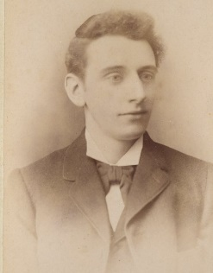
10. Ann M PERRY
is shown on the
1851 census of
Clare, aged 14,
as a daughter of
William & |  |  |  |  | -Eva Lillian
Elizabeth PERRY, |  |  |  |  | WHITEHOUSE
both aged 61. |  |  |  |  | b. 20 Jul 1902 HW
Two grand- |  |  |  |  | d. 31 Jan 1979 Res. SC
children, William |  |  |  | b. 10 Oct 1874 AS | (r. 1q. 1979 OX RD)
J & Elizabeth |  |  |  | d. 01 Jun 1951 | m. 03 Sep 1927
PERRY, aged 11 |  |  |  | Erdington B | Richard Leslie JONES
and 9 are also |  |  |  | m. 02 Jun 1900 | (Bank Clerk, 1939 R)
shown. |  |  |  | AS RO or NA | b. 28 Jun 1899
 |  |  |  | Lilian Genders | d.
11. Isaac |  |  |  | BRISTOW
WHITEHOUSE |  |  |  | b. 23 Dec 1876 B | -Arnold Herbert
died from "shuma |  |  |  | d. 12 Apr 1967 | WHITEHOUSE
diarrhoea", at |  |  |  | (r. 2q. 1967 SC RD) | (Manager, Public
53 Sheward St., |  |  |  |  | Works Contractor,
per death |  |  |  |  | 1939 R)
certificate. |  |  |  |  | b. 08 May 1904 HW
 |  |  |  | -Ada Ethel | d. 25 Feb 1989
12. The marriage |  |  |  | WHITEHOUSE | m. 05 Mar 1938
certificate names |  |  |  | (Missionary in Goda- | (r. 1q. 1938 SC RD) | 182
Isaac's father |  |  |  | vari Province, India) | Mildred Irene HAYDEN
as John |  |  |  | b. 23 May 1876 AS | b. 10 Jan 1910
WHITEHOUSE. |  |  |  | d. | Brierley Hill STS
It is suggested |  |  |  | m. 07 Jan 1903 | d. 16 Feb 2011 SAL
that Charles |  |  |  | Chittapetta, India,
was asked |  |  |  | Meeting House | 577
"Name of the |  |  |  | Edward Charles
father ?" and |  |  |  | ADAMS
gave the name |  |  |  | (Missionary in Godavari
of his own |  |  |  | Province, India)
father ! |  |  |  | b. r. 2q. 1876 AS RD
 |  |  |  | d.
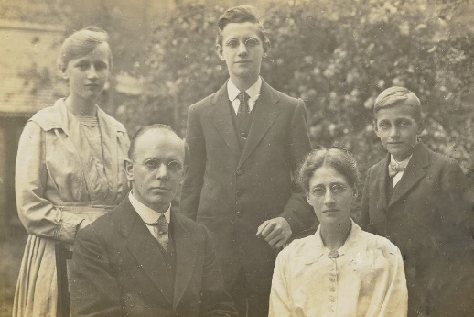
13. This William
John PERRY
was the son of
William PERRY
(Builder &
Carpenter) aged
20 on the 1841
census, who
was the son of
William PERRY
b. 1789-90 &
Elizabeth. |  |  |  | Charles & Ada with their children Eric Pendleton,
 |  |  |  | Grace Winifred & Sidney Bourne ADAMS
Notes are
continued on the |  |  |  | -Amy WHITEHOUSE
next page. |  |  |  | b. 07 Jun 1878 AS
 |  |  |  | d. 22 Jun 1878 AS

 |  |  |  | -Percy Charles
 |  |  |  | WHITEHOUSE
 |  |  |  | (Missionary in Godavari
 |  |  |  | Province, India &
 |  |  |  | Labourer on Nagaram
 |  |  |  | Island)
 |  |  |  | b. 01 Aug 1881 AS
 |  |  |  | d. r. 1q. 1965 B RD
 |  |  |  | i. India

Notes (cont.) |  |  |  | -Leonard Cyril
14. Stella |  |  |  | WHITEHOUSE
WHITEHOUSE |  |  |  | (Manufacturer of | Issue
is with the family |  |  |  | Motor Accessories)
on the 1881 |  |  |  | b. 15 Jul 1884 HW | -Edward Charles
Canadian cs. |  |  |  | d. 21 Jan 1943 HW | WHITEHOUSE
Possibly she |  |  |  | m. 1909 LF RO or | (Company Secretary,
returned to |  |  |  | NA | 1939 R)
Michigan and |  |  |  | (r. 3q. 1909 LF RD) | b. 09 May 1893 AS
married there as |  |  |  | Annie Elizabeth | d. 22 Feb 1957
Estelle: |  |  |  | WANNOP | i. Perry Barr Crem.
m. 12 Mar 1887 |  |  |  | b. 25 Aug 1886 | m. 15 Sep 1917 h1
Eaton Rapids MI |  |  |  | (r. 4q. 1886 | (r. 3q. 1917 AS RD) | 001
George E PAYNE, |  |  |  | Carlisle RD) | Ada Marian HEYWOOD
Laborer aged 21. |  |  |  | d. 11 Sep 1942 HW | b. 30 Apr 1893 AS
 |  |  | -James Alfred |  | d. 28 Feb 1919 AS
15. Charles |  |  | WHITEHOUSE |  | i. 06 Mar 1919 AS
WHITEHOUSE |  |  | (Oliver Man; later Tool |  | Witton Cemetery
died from |  |  | Forger; Blacksmith for |  | oooooooooooooooooo
"disease of |  |  | Sheep Shearing |  | m. 03 Jul 1920 h2 | Issue
mesenteric |  |  | Works, 1911 cs) | -Edward Alfred | (r. 3q. 1920 WB RD)
glands" at 52 |  |  | b. 26 Jun 1844 B | WHITEHOUSE | Ada Annie JACKSON
Steward St., 7 |  |  | d. 27 Dec 1931 AS | b. 1865-66 AS | (née TATE)
days after his |  |  | m. 29 Jun 1865 h1 |  | b. 17 Oct 1893
father, Isaac, |  |  | Brownhills Indepndent | -Charles WHITEHOUSE | Middlesbrough
per death |  |  | Dissenters | (Bicycle Fitter 1911 cs; | d. 20 Dec 1976
certificate. |  |  | Emily SEEDHOUSE | Ret'd Tool Maker, | i. Perry Barr Crem.
 |  |  | b. 1846 Norton Canes | 1939 R)
16. Per corres- |  |  | (r. 2q. 1846 PK RD) | b. 05 Apr 1868 AS | -Herbert Norman
pondent 182, |  |  | d. r. 2q. 1922 ae 76 | d. 31 Jul 1952 B | WHITEHOUSE
Ina LANGFORD |  |  | AS RD | m. 23 Jul 1892 AS | (Motor & Aeroplane
married & |  |  | oooooooooooooooo | Presbyterian, Long | Engineer, 1939 R)
stayed in the |  |  | m. r. 4q. 1922 h2 | Acre | b. 07 Nov 1895 AS
USA. |  |  | AS RD | Nelly PEAKMAN | d. 06 Jun 1963 BS
 |  |  | Elizabeth PERRY | b. 20 Feb 1866 B | m. 27 Aug 1921
17. Per the 1911 |  |  | (a cousin) (Dentist's | d. 16 Apr 1950 AS | (r. 3q. 1921 WB RD) | Issue
census, this |  |  | Secretary, 1911 cs) | i. 19 Apr 1950 Perry | Mary CLARKSON
couple had 6 |  |  | b. 15 Apr 1866 LND | Barr Crematorium | b. 06 Sep 1900
5 living, 1 dead, |  |  | c. 03 Feb 1867 |  | d.
but no record of |  |  | AS St P & P |  | PHOTO BELOW
the dead child |  |  | d. 29 May 1923 AS
has been found. |  |  | (r. 2q. 1923 ae 57 |  | -Frank WHITEHOUSE
 |  |  | AS RD) |  | (Dentist, 1939 R)
18. Hilda's |  |  |  |  | b. 30 Jun 1898 AS
marriage to |  |  | -Charles WHITEHOUSE |  | d. 15 Jun 1961
Peter JONES |  |  | b. 16 Sep 1845 B |  | Chester-le-Street
is indexed under |  |  | d. 13 Oct 1846 B [15] |  | m. r. 4q. 1930 h1
WHITEHOUSE |  |  |  |  | WB RD
and WALKER. |  |  |  |  | Edith VENABLES
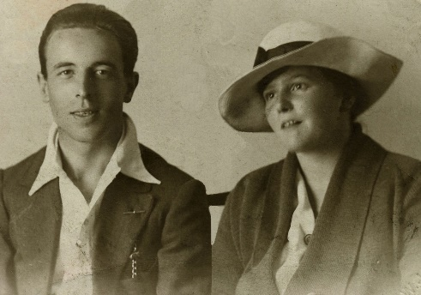
 |  |  |  |  | b.
19. In the GRO |  |  |  |  | d.
Wales) marriage |  |  |  |  | oooooooooooooooooo
index, she is |  |  |  |  | m. r. 4q. 1948 h2 DH
shown as Ada |  |  |  |  | Nth RD
W PITTAWAY, |  |  |  |  | Gwendoline Celia
which is wrong. |  |  |  |  | UNDERHILL (née
 |  |  |  |  | LAWFORD)
 |  |  |  |  | b. 24 Aug 1901
 |  |  |  |  | (r. 3q. 1901 WV RD)
 |  |  |  |  | d. r. 2q. 1975 DH
 |  | Herbert Norman & Mary WHITEHOUSE |  |  | Nth RD

 |  |  |  |  | -Dora Ethel
 |  |  |  |  | WHITEHOUSE
 |  |  |  |  | b. 19 Apr 1902 AS
 |  |  |  |  | d. 13 Apr 1938 HB
 |  |  |  |  | m. 01 Sep 1921 WB | Issue
 |  |  |  |  | (r. 3q. 1921 WB RD)
 |  |  |  |  | Albert Harold DUKES
 |  |  |  |  | (Electrical Engineer,
 |  |  |  |  | 1939 R)
 |  |  |  |  | b. 10 Sep 1898 HW
 |  |  |  |  | d. r. 4q. 1956 B RD

 |  |  |  |  | -Percy Edgar
 |  |  |  |  | WHITEHOUSE
 |  |  |  |  | (Tool Room Date Fixer,
 |  |  |  |  | 1939 R)
 |  |  |  |  | b. 15 Feb 1906 AS
 |  |  |  |  | d. 14 Jan 1987
 |  |  |  |  | Res. Great Barr
 |  |  |  |  | i. Perry Barr
 |  |  |  |  | Crematorium
 |  |  |  |  | m. 16 Jul 1927 AS
 |  |  |  |  | (r. 3q. 1927 B North RD)
 |  |  |  |  | Ada Singleton [19]
 |  |  |  |  | PITTAWAY
 |  |  |  |  | b., 28 Oct 1903 B
 |  |  |  |  | d. r. 3q. 1984 B RD
 |  |  |  | -Ernest James | (No issue)
 |  |  |  | WHITEHOUSE
 |  |  |  | (Printer) | -Tom WHITEHOUSE
 |  |  |  | b. 1870 AS | (Printer: Company
 |  |  |  | d. 03 Jul 1953 SC | Manager, 1939R)
 |  |  |  | m. 17 Jun 1893 | b. 02 Apr 1894 AS
 |  |  |  | B St Paul | d. 15 Feb 1976
 |  |  |  | Gertrude Eliza GILPIN | Res. SC
 |  |  |  | b. 1869-70 S | m. r. 3q. 1922 AS RD
 |  |  |  | (r. 1q. 1870 S RD) | Annie Ruth DEEKS
 |  |  |  | d. r. 1q. 1937 SC RD | b. 23 Oct 1893 AS
 |  |  |  |  | d. 20 Feb 1987
 |  |  |  |  | Acocks Green B

 |  |  |  |  | -Howard WHITEHOUSE
 |  |  |  |  | b. r. 4q. 1896 B RD
 |  |  |  |  | d.

 |  |  |  |  | -James WHITEHOUSE
 |  |  |  |  | b. 1901-02 B
 |  |  |  |  | (r. 1q. 1902 B RD)
 |  |  |  |  | d.
 |  |  |  | -Ada Emily
 |  |  |  | WHITEHOUSE | -Elsie Gertrude
 |  |  |  | b. 16 May 1872 AS | WHITEHOUSE
 |  |  |  | d. 21 Jan 1949 B | (School Teacher,
 |  |  |  | m. 25 Dec 1895 AS | 1939 R)
 |  |  |  | Congregational, | b. 14 Dec 1907 HW
 |  |  |  | Lozells Chapel, | d. 15 Dec 1989
 |  |  |  | Wheeler St | Hook Norton OXF
 |  |  |  | Thomas Edward
 |  |  |  | Charles GROVE | -Eric Bernard
 |  |  |  | (Traveller for Toys, | WHITEHOUSE
 |  |  |  | later Jeweller) | (Chartered Accountant)
 |  |  |  | b. 03 Jun 1968 AS | b. 08 Oct 1911 AS
 |  |  |  | d. r. 1q. 1943 B RD | d. 19 Dec 1998 B
 |  |  |  |  | m. r. 3q. 1940 SC RD
 |  |  |  | -Frank WHITEHOUSE | Vera Nellie HUME
 |  |  |  | b. 1875-76 AS | (Typist, 1939 R)
 |  |  |  | (r. 1q. 1876 AS RD) | b. 31 Mar 1913 AS
 |  |  |  | d. after 1891 cs | d. 01 Mar 2002 B

 |  |  |  | -Marian Kate | Issue
 |  |  |  | WHITEHOUSE
 |  |  |  | b. 1877 AS
 |  |  |  | (r. 2q. 1877 AS RD)
 |  |  |  | d. 27 Nov 1914
 |  |  |  | i. 01 Dec 1914 AS
 |  |  |  | Witton Cemetery
 |  |  |  | m. 22 Oct 1905 AS
 |  |  |  | Congregational,
 |  |  |  | Lozells Chapel,
 |  |  |  | Wheeler St | Issue
 |  |  |  | William EVANS
 |  |  |  | (Coal Agent)
 |  |  |  | b. 1872-73
 |  |  |  | (r. 4q. 1872 AS RD ?)
 |  |  |  | d.

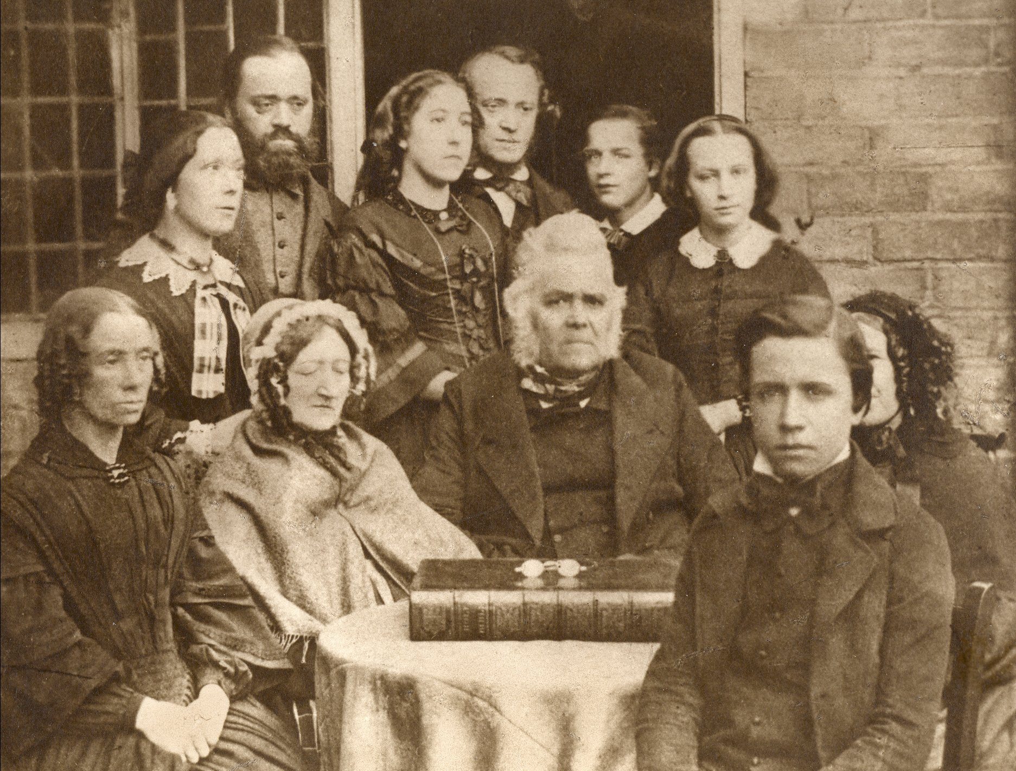

Transcript of the legend on the back of a photo of the family of Charles & Ann WHITEHOUSE
sent by Mrs. Beryl Bromley (WFHC 182) who died 30 May 2002.

WHITEHOUSE FAMILY
CHARLES WHITEHOUSE (1791-1862) & WIFE ANN IN THE CENTRE
Other family clockwise from bottom left

MARIA - 1st wife of William
ANN - daughter of Charles & Ann, married Mr William John Perry, mother of Lizzie.
JOHN - son of Charles & Ann married at 60 a girl of 19 called Aunty Phoebe who later married again, a Mr Blanko.
John built 2 brick houses in Clifton Rd. Charles died there in 1862.
WILLIAM'S cousin, became his 2nd wife, Maria was also his cousin.
WILLIAM - son of Charles & Ann
JAMES - Isaac's younger brother (JIM)
Ann(ett) - Isaac's sister, married Mr. Langford, went to America, mother of Edith & Ina. Edith married George
Armstrong of Durban.
Unknown lady partly obscured. Isaac's mother ?
Isaac - from whom Beryl's branch descends. Grandson of Charles & Ann.
Isaac's father, also Isaac, (Snr.) is already dead at time of photograph. Thought to have died in 1846.
Isaac jnr. was born 25/6/1842

CHARLES - 1791 - 1862 - buried in Aston Parish Church as are other family members
= ANN (HEAPE) - 1791 - 1870

